Image Descriptions
S.no | Image Thumbnail | Content Asset:Long Description | Notes | Image ID | Action
1 | 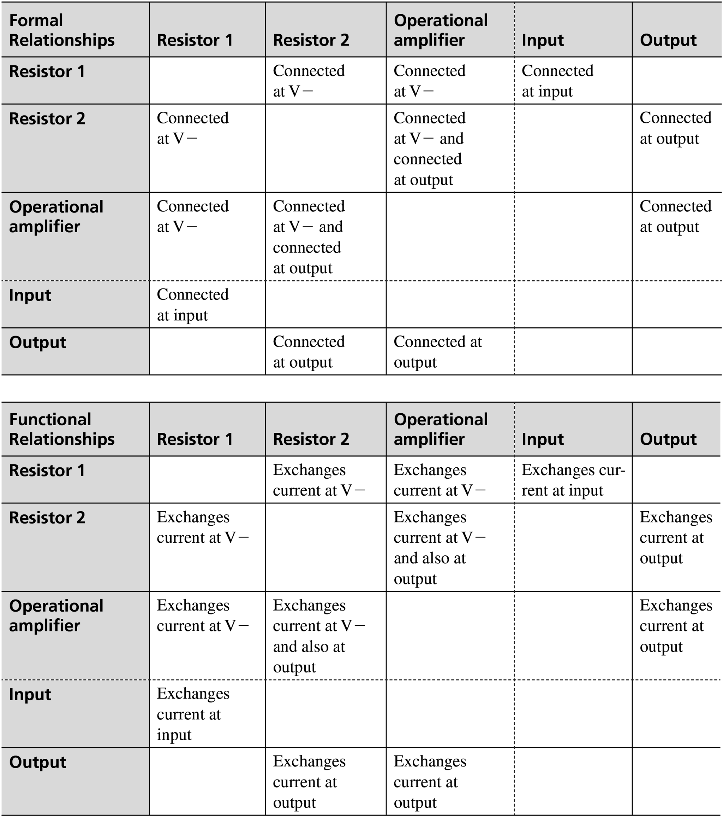 | <!DOCTYPE html> <html lang="en"> <head> <meta charset="UTF-8"> <meta http-equiv="X-UA-Compatible" content="IE=edge"> <meta name="viewport" content="width=device-width, initial-scale=1.0"> <title>Table1</title> <style> table,th,td{ border:1px solid black; border-collapse: collapse; padding-right:50px; padding-left: 10px; width:10%; border-right:none; border-inline-start-style: none; border-top: none; border-bottom: none; } .a,.f{ background-color: #dddddd ; } .d,.e{ border-left: 1px solid black; } .b{ border-right: 1px dashed black; } .e,.f{ border-right: 1px solid black; } .a,.h{ border-top: 1px solid black; border-bottom: 1px solid black; } .c{ border-bottom: 1px dashed black; } .g{ border-bottom: 1px solid black; } </style> </head> <body> <table> <tr class="a"> <th class="f">Formal Relationships</th> <th>Resistor 1</th> <th class="e">Resistor 2</th> <th class="b">Operational amplifier</th> <th>Input</th> <th class="d">Output</th> </tr> <tr> <td class="f">Resistor 1</td> <td></td> <td class="e">Connected at V -</td> <td class="b">Connected at V -</td> <td>Connected at input</td> <td class="d"></td> </tr> <tr class="h"> <td class="f">Resistor 2</td> <td>Connected at V -</td> <td class="e"></td> <td class="b">Connected at V - and connected at output</td> <td></td> <td class="d">Connected at output</td> </tr> <tr class="c"> <
2 | 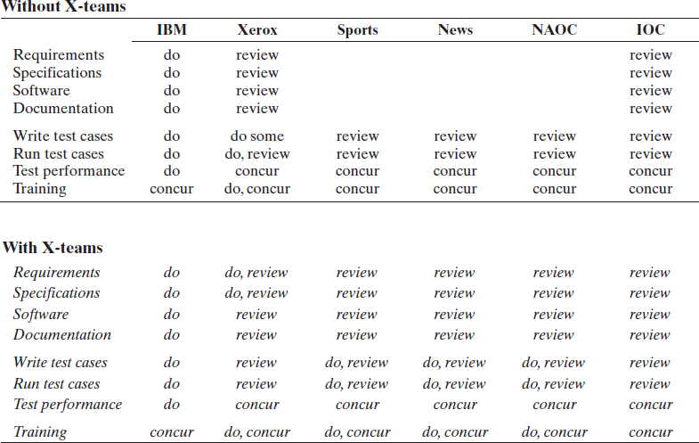 | <!DOCTYPE html> <html lang="en"> <head> <meta charset="UTF-8"> <meta http-equiv="X-UA-Compatible" content="IE=edge"> <meta name="viewport" content="width=device-width, initial-scale=1.0"> <title>Document</title> <style> table{ padding:15px; } th{ text-align: left; padding-left: 10px; padding-top: 10px; } td,tr{ padding:10px; width: 5%; } b{ padding-left:10px; } </style> </head> <body> <table> <tr> <th colspan="7">Without X-teams</th> </tr> <tr> <td colspan="8" style="color:black"> <hr> </td> </tr> <tr> <th></th> <th>IBM</th> <th>Xerox</th> <th>Sports</th> <th>News</th> <th>NAOC</th> <th>IOC</th> </tr> <tr> <td></td> <td colspan="6"> <hr> </td> </tr> <tr> <td>Requirements</td> <td>do</td> <td>review</td> <td> </td> <td></td> <td></td> <td>review</td> </tr> <tr> <td>Specifications</td> <td>do</td> <td>review</td> <td></td> <td></td> <td></td> <td>review</td> </tr> <tr> <td>Software</td> <td>do</td> <td>review</td> <td></td> <td></td> <td></td> <td>review</td> </tr> <tr> <td>Documentation</td> <td>do</td> <td>review</td> <td></td> <td></td> <td></td> <td>review</td> </tr> <tr> <td>Write test cases</td> <td>do</td> <td>do some</td> <td>review</td> <td>review</td> <td>review</td> <td>review</td>
3 | 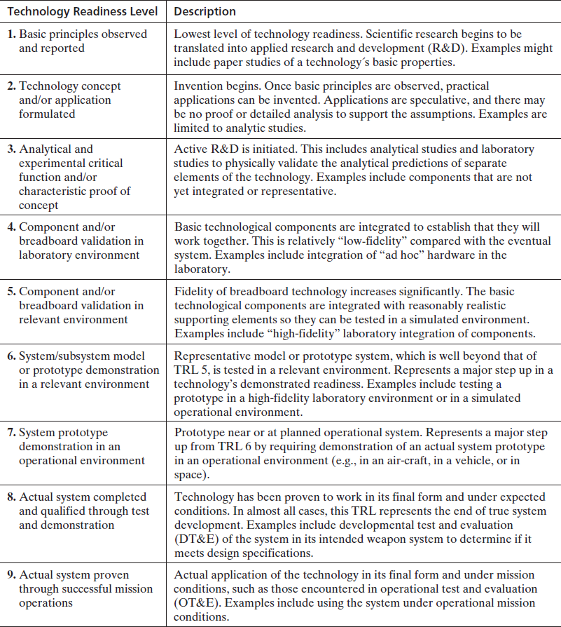 | <!DOCTYPE html> <html lang="en"> <head> <meta charset="UTF-8"> <meta http-equiv="X-UA-Compatible" content="IE=edge"> <meta name="viewport" content="width=device-width, initial-scale=1.0"> <title>Table3</title> <style> table,th,td{ border:1px solid black; border-collapse: collapse; width: 65%; padding: 5px; border-left: none; border-right: none; } th{ text-align: left; } .a{ width: 25%; border-right: 1px solid black; } </style> </head> <body> <table > <tr> <th class="a">Technology Readiness Level</th> <th>Description</th> </tr> <tr> <td class="a"><b>1.</b> Basic principles observed and reported </td> <td>Lowest level of technology readiness. Scientific research begins to be translated into applied research and development (R&amp;D). Examples might include paper studies of a technology\'s basic properties. </td><br> </tr> <tr> <td class="a"><b>2.</b> Technology concept and/or application formulated </td> <td>Invention begins. Once basic principles are observed, practical applications can be invented. Applications are speculative, and there may be no proof or detailed analysis to support the assumptions. Examples are limited to analytic studies. </td> </tr> <tr> <td class="a"><b>3.</b> Analytical and experimental critical function and/or characteristic proof of concept </td> <td>Active R&amp;D is initiated. This includes analytical studies and laboratory studies to physically validate the analytical predictions of separate elements of the technology. Examples include components that are not yet integrated or representative. </td> </tr> <tr> <td class="a"><b>4.</b> Comp
4 | 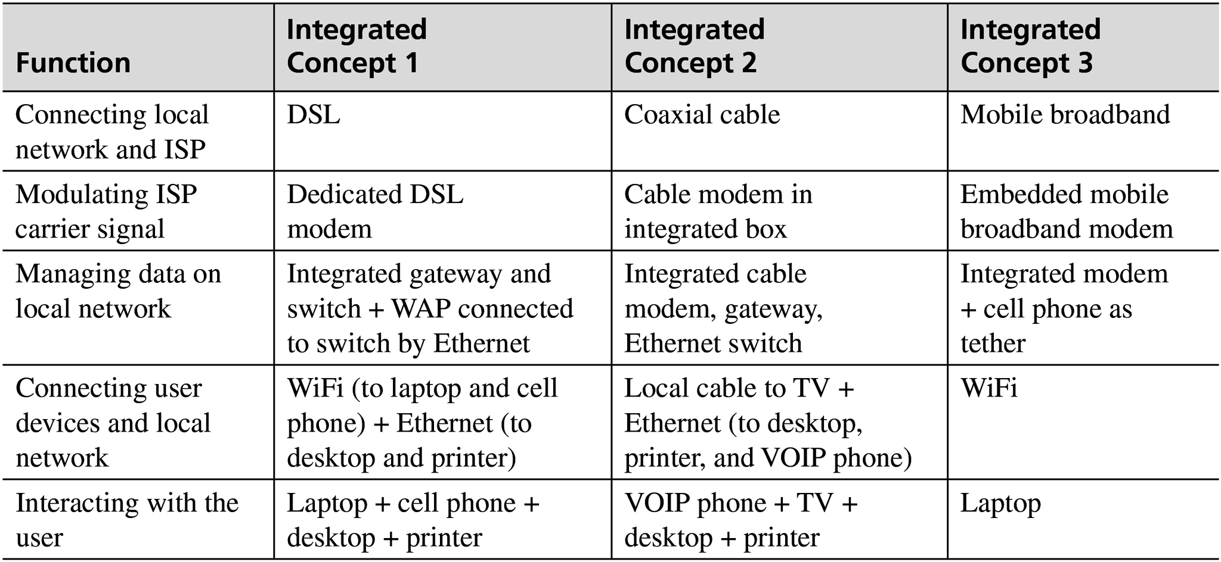 | <!DOCTYPE html> <html lang="en"> <head> <meta charset="UTF-8"> <meta http-equiv="X-UA-Compatible" content="IE=edge"> <meta name="viewport" content="width=device-width, initial-scale=1.0"> <title>Table4</title> <style> table,th,td{ border: 1px solid black; border-collapse: collapse; padding: 5px; border-left: none; border-right: none; } th{ text-align: left; } .a{ background-color: #dddddd; } p{ margin:0; } .b{ border-left: 1px solid black; border-right:1px solid black ; } .c{ border-right:1px solid black ; } </style> </head> <body> <table style="width: 60%;"> <tr class="a"> <th style="width: 20%;">Function</th> <th class="b"><p>Integrated</p>Concept 1</th> <th class="c"><p>Integrated</p>Concept 2</th> <th><p>Integrated</p>Concept 3</th> </tr> <tr> <td>Connecting local network and ISP</td> <td class="b">DSL</td> <td class="c">Coaxial cable</td> <td>Mobile broadband</td> </tr> <tr> <td>Modulating ISP carrier signal</td> <td class="b">Dedicated DSL modem</td> <td class="c">Cable modem in integrated box</td> <td>Embedded mobile broadband modem</td> </tr> <tr> <td>Managing data on local network</td> <td class="b">Integrated gateway and switch + WAP connected to switch by Ethernet</td> <td class="c">Integrated cable modem, gateway, Ethernet switch</td> <td>Integrated modem + cell phone as tether</td> </tr> <tr> <td>Connecting user devices and local network</td> <td class="b">WiFi (to laptop and cell phone) + Ethernet (to desktop
5 | 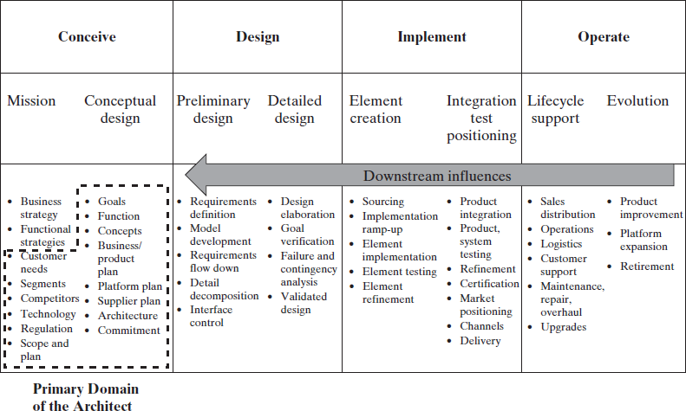 | <!DOCTYPE html> <html lang="en"> <head> <meta charset="UTF-8"> <meta http-equiv="X-UA-Compatible" content="IE=edge"> <meta name="viewport" content="width=device-width, initial-scale=1.0"> <title>Table5</title> <style> table,th,td{ border:1px solid black; border-collapse: collapse; border-left: none; border-right: none; width: 250px; } .a{ border:0px; } .border{ border-left: 1px solid black; } .b,.c,.d,.e{ border-right: 1px solid black; } .f{ border-right-style: dashed; border-bottom-style:dashed ; border-top-style:dashed ; } .g{ border-bottom-style:dashed ; } .h{ border-left-style: dashed; } .i{ border-top-style:dashed ; } .j{ border-right-style:dashed ; } p{ margin-left:50px; } </style> </head> <body> <table> <tr> <th colspan="2" class="border b">Conceive</th> <th colspan="2" class="c">Design</th> <th colspan="2" class="d">Implement</th> <th colspan="2" class="e">Operate</th> </tr> <tr> <td class="a border">Mission</td> <td class="b">Conceptual design</td> <td>Preliminary design</td> <td class="c">Detailed design</td> <td>Element creation</td> <td class="d">Integration test positioning</td> <td>Lifecycle support</td> <td class="e">Evolution</td> </tr> <tr> <td class="border"><ul> <li class="j">Business strategy</li> <li class="j">Functional strategies</li> <li class="h
6 | 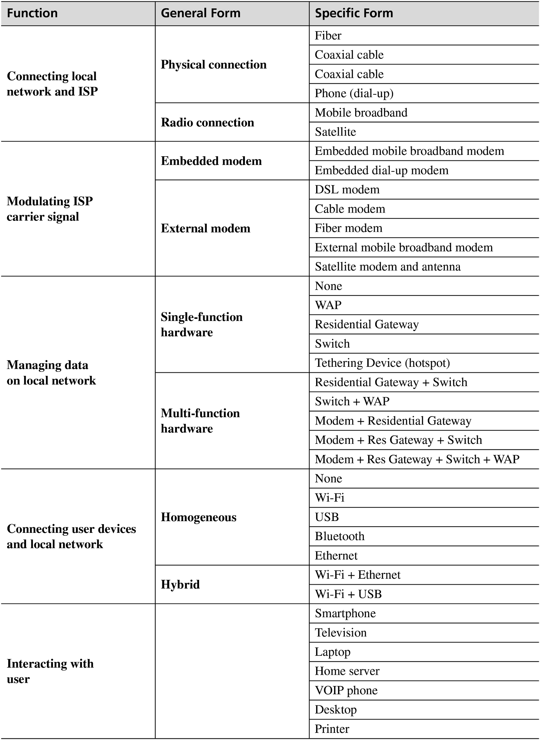 | <!DOCTYPE html> <html lang="en"> <head> <meta charset="UTF-8"> <meta http-equiv="X-UA-Compatible" content="IE=edge"> <meta name="viewport" content="width=device-width, initial-scale=1.0"> <title>Table6</title> <style> table,th,td{ border: 1px solid black; border-collapse: collapse; padding:5px; border-right: none; border-left: none; } th{ text-align: left; background-color: #dddddd; } .a{ border-left: 1px solid black; border-right: 1px solid black; } </style> </head> <body> <table style="width: 60%;"> <tr> <th style="width: 20%;">Function</th> <th style="width:20%" class="a">General Form</th> <th>Specific Form</th> </tr> <tr> <td rowspan="6"><b>Connecting local network and ISP</b></td> <td rowspan="4" class="a"><b>Physical connection</b></td> <td>Fiber</td> </tr> <tr> <td>Coaxial cable</td> </tr> <tr> <td>Coaxial cable</td> </tr> <tr> <td>Phone (dial-up)</td> </tr> <tr> <td rowspan="2" class="a"><b>Radio Connection</b></td> <td>Mobile broadband</td> </tr> <tr> <td>Mobile broadband</td> </tr> <tr> <td rowspan="7"><b>Modulating ISP carrier signal</b></td> <td rowspan="2" class="a"><b>Embedded modem</b></td> <td>Embedded mobile broadband modem</td> </tr> <tr> <td>Embedded dial-up modem</td> </tr> <tr> <td rowspan="5" class="a"><b>External modem</b></td> <td>DSL modem</td> </tr> <tr> <td>Cable modem</td> </tr> <tr>
7 | 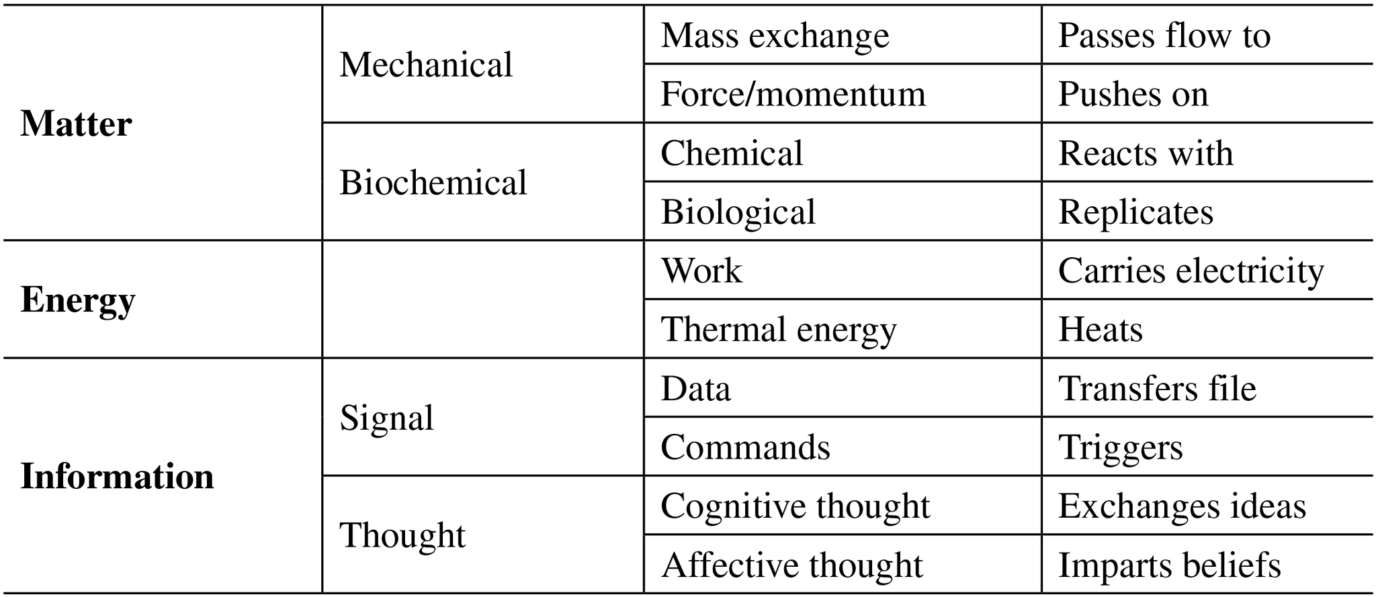 | <!DOCTYPE html> <html lang="en"> <head> <meta charset="UTF-8"> <meta http-equiv="X-UA-Compatible" content="IE=edge"> <meta name="viewport" content="width=device-width, initial-scale=1.0"> <title>Table7</title> <style> table,th,td{ border:1px solid black; border-collapse:collapse; padding: 5px; border-right: none; border-left: none; } th{ text-align: left; } .a{ border-left: 1px solid black; border-right: 1px solid black; } .b{ border-right: 1px solid black; } </style> </head> <body> <table style="width: 50%;"> <tbody> <tr> <th rowspan="4" style="width:20%;">Matter</th> <td rowspan="2" class="a">Mechanical</td> <td colspan="1" class="b">Mass exchange</td> <td colspan="1">Passes flow to</td> </tr> <tr> <td class="b">Force/momentum</td> <td>Pushes on</td> </tr> <tr> <td rowspan="2" class="a">Biochemical</td> <td class="b">Chemical</td> <td >Reacts with</td> </tr> <tr> <td class="b">Biological</td> <td >Replicates</td> </tr> <tr> <th rowspan="2">Energy</th> <td rowspan="2" class="a"></td> <td class="b">Work</td> <td >Carries electricity</td> </tr> <tr> <td class="b">Thermal energy</td> <td >Heats</td> </tr> <tr> <th rowspan="4">Information</th> <td rowspan="2" class="a">Signal</td> <td class="b">Data</td> <td >Transfer file</td> </tr> <tr> <td

